Sheet1
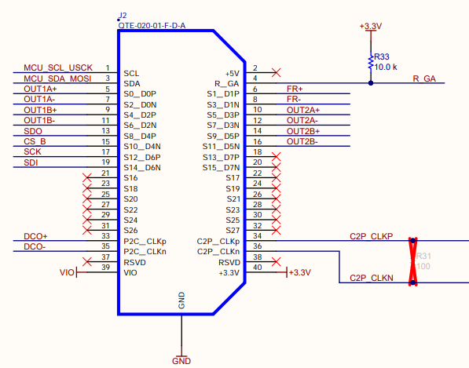
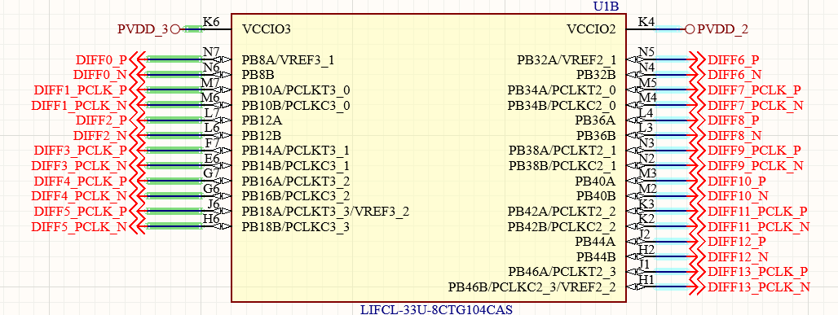
Pin number | Syzygy | Pod A 2x 2L ane MIPI | Pod B 2x 2L ane MIPI | Pod B RGMII | Syzygy Camera
1 | SCL | SCL | SCL | SCL | SCL
3 | SDA | SDA | SDA | SDA | SDA
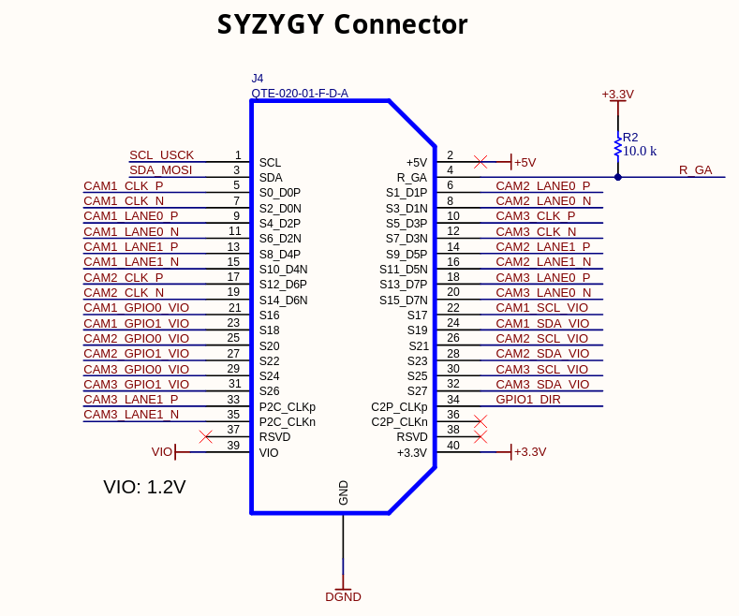
5 | RX0P | DIFF1_PCLK_P | DIFF7_PCLK_P | RX_CTL | CAM1_CLK_P
7 | RX0N | DIFF1_PCLK_N | DIFF7_PCLK_N | TX_CTL | CAM1_CLK_N
9 | RX1P | DIFF0_P | DIFF6_P | RXD3 | CAM1_L0_P
11 | RX1N | DIFF0_N | DIFF6_N | RXD2 | CAM1_L0_N
13 | REFCLKP | DIFF2_P | DIFF8_P | RXD1 | CAM1_L1_P
15 | REFCLKN | DIFF2_N | DIFF8_N | RXD0 | CAM1_L1_N
17 | S2 | DIFF3_PCLK_P | DIFF9_PCLK_P | EE_SCL | CAM2_CLK_P
19 | S4 | DIFF3_PCLK_N | DIFF9_PCLK_N | EE_SDA | CAM2_CLK_N
21 | S6 | DONE | A3 |  | CAM1_GPIO0
23 | S8 |  |  |  | CAM1_GPIO1
25 | S10 |  |  |  | CAM2_GPIO0
27 | S12 |  |  |  | CAM2_GPIO1
29 | S14 |  |  |  | CAM3_GPIO0
31 | S16 |  |  |  | CAM3_GPIO1
33 | P2C_CLKP | G1_UART_TXD | A1 | RX_CLK | CAM3_L1_P
35 | P2C_CLKN |  |  |  | CAM3_L1_N
37 | RSVD
39 | VIO1 | VIO1 | VIO1 | VIO | VIO
2 | +5V | +5V | +5V | 5V | 5V
4 | R_GA
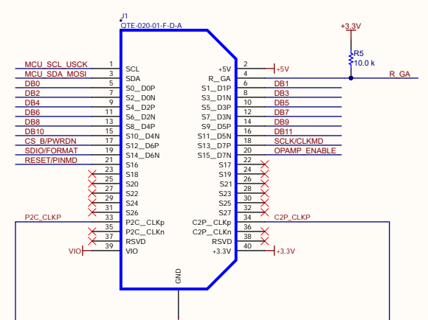
6 | TX0P | DIFF4_PCLK_P | DIFF10_PCLK_P | RESET_N | CAM2_L0_P
8 | TX0N | DIFF4_PCLK_N | DIFF10_PCLK_N | INT_N | CAM2_L0_N
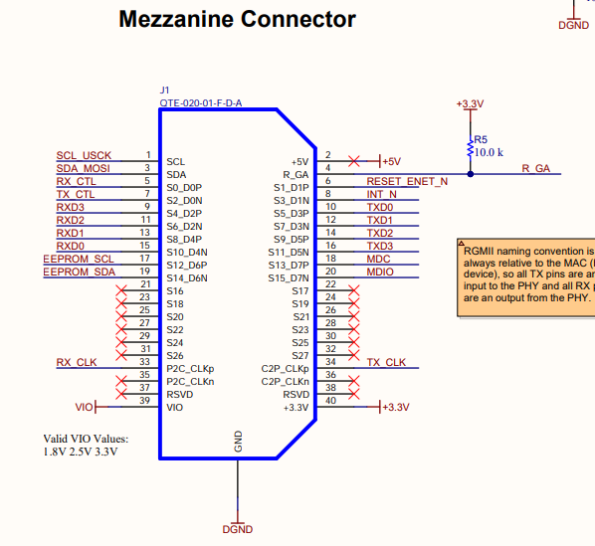
10 | TX1P |  | DIFF12_PCLK_P | TXD0 | CAM3_CLK_P
12 | TX1N |  | DIFF12_PCLK_N | TXD1 | CAM3_CLK_N
14 | S0 | DIFF5_PCLK_P | DIFF11_PCLK_P | TXD2 | CAM2_L1_P
16 | S1 | DIFF5_PCLK_N | DIFF11_PCLK_N | TXD3 | CAM2_L1_N
18 | S3 |  | DIFF13_PCLK_P | MDC | CAM3_L0_P
20 | S5 |  | DIFF13_PCLK_N | MDIO | CAM3_L0_N
22 | S7
24 | S9
26 | S11
28 | S13
30 | S15
32 | S17
34 | C2P_CLKP | B1_UART_RXD | F1 | TX_CLK
36 | C2P_CLKN
38 | RSVD
40 | +3.3V | +3.3V | +3.3V | +3.3V | +3.3V

